grafico markov e mttf
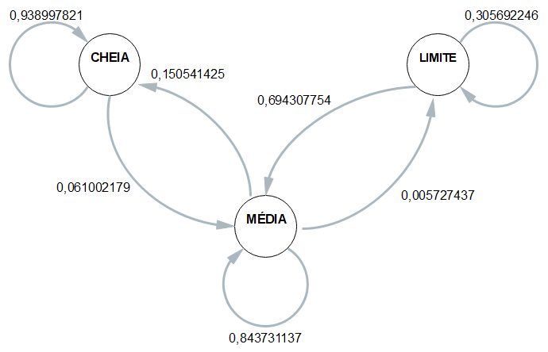
 | 1 | 2 | 3 | 4 | média
CC | 0.95555555556 | 0.94117647059 | 0.93333333333 | 0.92592592593 | 0.93899782135
CM | 0.044444444444 | 0.058823529412 | 0.066666666667 | 0.074074074074 | 0.061002178649
CB | 0 | 0 | 0 | 0 | 0

MC | 0.29300291545 | 0.096541786744 | 0.14876033058 | 0.063860667634 | 0.1505414251
MM | 0.70116618076 | 0.8976945245 | 0.84573002755 | 0.93033381713 | 0.84373113748
MB | 0.0058309037901 | 0.0057636887608 | 0.0055096418733 | 0.0058055152395 | 0.0057274374159

BC | 0 | 0 | 0 | 0 | 0
BM | 0.62903225806 | 0.71428571429 | 0.67391304348 | 0.76 | 0.69430775396
BB | 0.37096774194 | 0.28571428571 | 0.32608695652 | 0.24 | 0.30569224604

 | Esp1 | Esp2 | Esp3 | Esp4 |  | média
Hora Inicial | 19:06:00 | 19:12:00 | 19:17:00 | 19:22:00 |  | 19:14:15
Hora Limite 2,8 | 21:15:00 | 21:21:00 | 21:30:00 | 21:31:00 | MTTF | 21:24:15
Hora Final | 21:26:06 | 21:33:23 | 21:38:36 | 21:43:49 |  | 21:35:29
total de horas até 2,8 | 2:09:00 | 2:09:00 | 2:13:00 | 2:09:00 | 2:10:00 | 2:10:00

